Contact Info
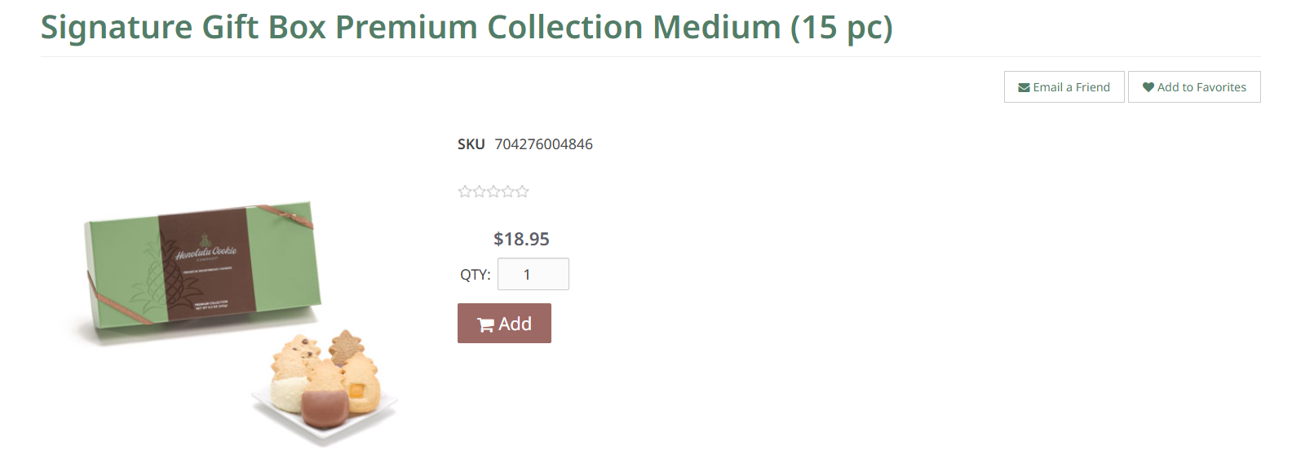
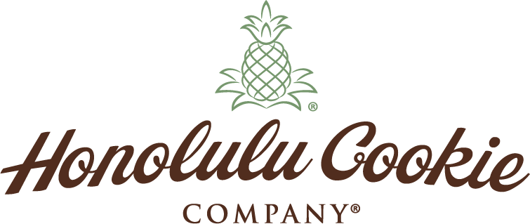 MULTI-SHIP ORDER FORM ATTN: CUSTOMER SERVICE Email: orders@honolulucookie.com | Website: www.honolulucookie.com Phone: 1-808‐845‐1517 | Toll‐Free: 1‐866‐333‐5800 [opt 1, opt 2] | Japan Toll Free: 0120-974-896| Fax: 1-808‐697‐6133 Hours: Mon-Fri 8:00am - 5:00pm HST Sat & Sun, CLOSED
**Please review all address details as charges will apply for orders with inaccurate or incomplete details.** Send completed form to orders@honolulucookie.com and we will contact you within 2 business days to confirm your order total and to collect payment information.

BILLING INFORMATION |  | SHIPPING RATES & INFORMATION
We accept Visa, MasterCard, American Express, and Discover |  | Enter all SHIPPING ADDRESSES and product selections on the "Addresses" tab

Customer # | [This field is for HONOLULU COOKIE USE] | • Shipping rates are calculated based on the merchandise sub-total per shipping address. • Once an order is confirmed, it will be processed and shipped from our factory within 5 business days. • Once an order is confirmed, it will be processed and shipped from our factory within 5 business days. • Please confirm all shipping address information is current and accurate to ensure proper delivery. • A $25.00 charge may be applied for redirected packages due to incorrect or incomplete addresses. • We currently ship to all 50 states, Puerto Rico, Canada, Australia, and APO/FPO addresses. • We currently do not offer future ship dates (delayed delivery).
First & Last Name:
Company:
Address (line 1):
C/O, Apt. Suite, Unit, Building, Floor:
City:
State:
Postal Code: |  | https://www.honolulucookie.com/content/shipping.asp
Country: |  | SHIPPING RATES
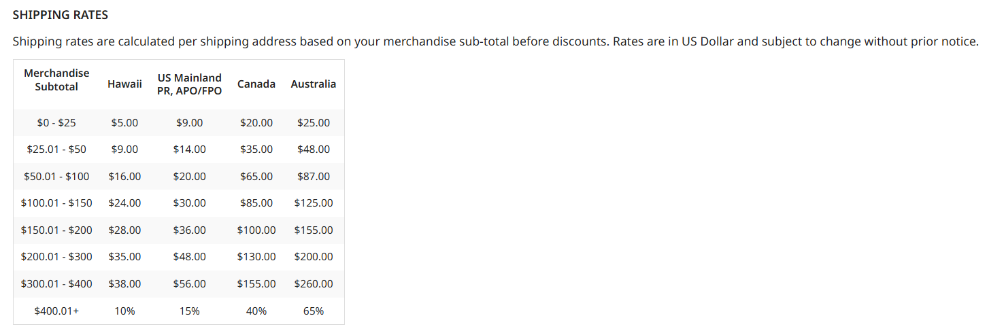
Phone #
Email:

GIFT MESSAGE (up to 250 characters)

The Gift Message will be printed on packing slip. The same message will be printed on all shipments within your order. If you would like individual messages per shipping address, you may add individual gift messages per shipping address in Gift Message column on the Addresses Tab

Message (250 characters, English Only, no symbols or characters):

[PRODUCT NAME]
[ITEM #]
PRODUCT INFORMATION
For more information visit https://www.honolulucookie.com - Here is an example of where to find the product information for columns S and T on the "Addresses" tab.

